4
4 Connecting Two Areas with Three Radios

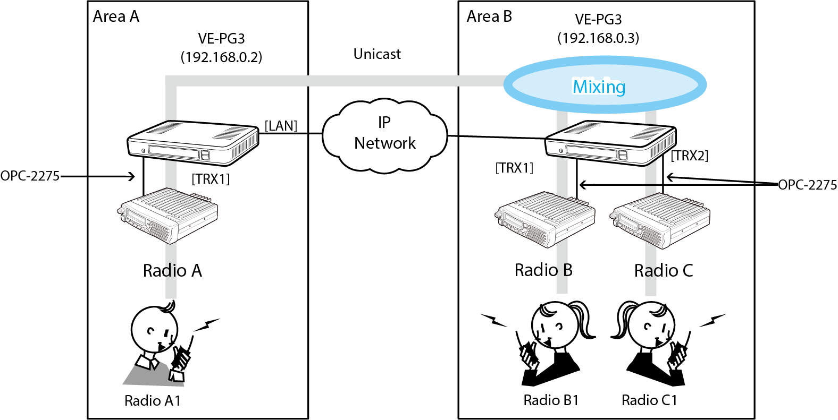

 | Configuration
 |  |  |  |  |  |  | Comment
 |  | Menu Item | Setting Screen | Setteing Item | Item Name | Value
 |  | Management | Factory Default | Factory Default | Factory Default | Restore V/RoIP Settings to Factory Default

 | Area A
 |  | Menu Item | Setting Screen | Setteing Item | Item Name | Value
 |  | Operating Mode | Operating Mode | Operating Mode | Operating Mode | Bridge
 |  |  |  | IP Communication Mode | Transceiver 1 (TRX1) | Unicast

 |  | Port Setting | Choose Transceiver 1 (TRX1) | Transceiver Model | Transceiver Model | IC-F5060/F6060

 |  | Bridge Connection | Bridge Connection | Bridge Connection Point | Port Type | Transceiver 1 (TRX 1)
 |  |  |  |  | Connection IP Address | 192.168.0.3 | Other VE-PG3 (Area B) IP Address
 |  |  |  |  | Connection Port Number | 21502 | Other VE-PG3 (Area B) My Station Port Number
 |  |  |  |  | My Station Port Number | 21500 | Local VE-PG (Area A) Port Number
 |  |  |  |  | Voice Codec | G.711u
 |  |  |  | List of Bridge Connection Point Entries | Connection Status | "During transmit'

 | Area B
 |  | Menu Item | Setting Screen | Setteing Item | Item Name | Value
 |  | Operating Mode | Operating Mode | Operating Mode | Operating Mode | Bridge
 |  |  |  | IP Communication Mode | IP Communication Mode | Unicast

 |  | Port Setting | Transceiver 1 (TRX1) | Transceiver Model | Transceiver Model | IC-F5060/F6060

 |  | Bridge Connection | Bridge Connection | Bridge Connection Point | Port Type | Transceiver 1 (TRX 1)
 |  |  |  |  | Connection IP Address | 192.168.0.2 | Other VE-PG3 (Area A) IP Address
 |  |  |  |  | Connection Port Number | 21500 | Other VE-PG3 (Area A) My Station Port Number
 |  |  |  |  | My Station Port Number | 21502 | Local VE-PG (Area B) Port Number
 |  |  |  |  | Voice Codec | G.711u
 |  |  |  | List of Bridge Connection Point Entries | Connection Status | "During transmit'

5
5 Connecting Three Areas with Five Radios
The mixing function mixes converstations from different areas.

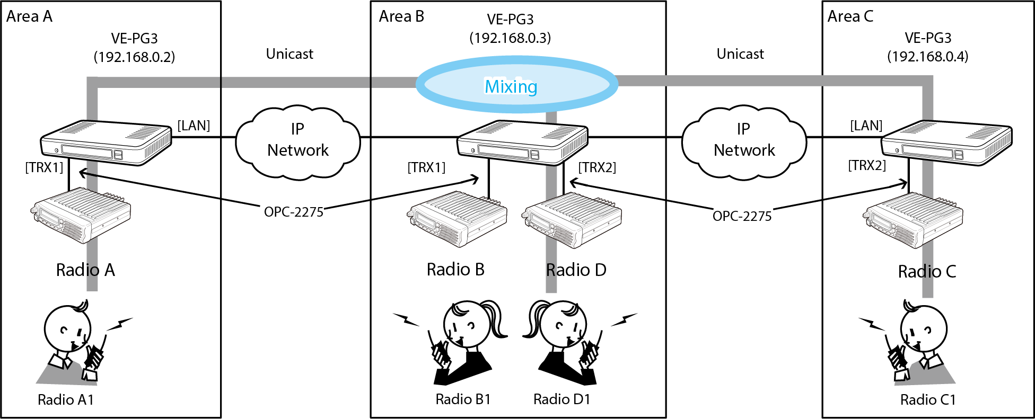

 | Configuration

 |  | Menu Item | Setting Screen | Setteing Item | Item Name | Value
 |  | Management | Factory Default | Factory Default | Factory Default | Restore V/RoIP Settings to Factory Default

 | Area A
 |  | Menu Item | Setting Screen | Setteing Item | Item Name | Value
 |  | Operating Mode | Operating Mode | Operating Mode | Operating Mode | Bridge
 |  |  |  | IP Communication Mode | IP Communication Mode | Multicast

 |  | Port Setting | Transceiver 1 (TRX1) | Transceiver Model | Transceiver Model | IC-F5060/F6060

 |  | Bridge Connection | Bridge Connection | Bridge Connection Point | Connection IP Address | 192.168.0.3
 |  |  |  |  | Connection Port Number | 21500
 |  |  |  |  | My Station Port Number | 21500
 |  |  |  | List of Bridge Connection Point Entries | Connection Status | "During transmit'

 | Area B
 |  | Menu Item | Setting Screen | Setteing Item | Item Name | Value
 |  | Operating Mode | Operating Mode | Operating Mode | Operating Mode | Bridge
 |  |  |  | IP Communication Mode | IP Communication Mode | Unicast
 |  |  |  | Mixing Group |  | Transceiver 1(TRX1), Transceiver 2(TRX2)

 |  | Port Setting | Transceiver 1 (TRX1) | Transceiver Model | Transceiver Model | IC-F5060/F6060
 |  |  | Transceiver 2 (TRX2) | Transceiver Model | Transceiver Model | IC-F5060/F6060

 |  | Bridge Connection | Bridge Connection | Bridge Connection Point | Connection IP Address | 192.168.0.2
 |  |  |  |  |  | 192.168.0.4
 |  |  |  |  | Connection Port Number | 21500
 |  |  |  |  | My Station Port Number | 21500
 |  |  |  | List of Bridge Connection Point Entries | Connection Status | "During transmit'

 | Area C
 |  | Menu Item | Setting Screen | Setteing Item | Item Name | Value
 |  | Operating Mode | Operating Mode | Operating Mode | Operating Mode | Bridge
 |  |  |  | IP Communication Mode | IP Communication Mode | Unicast

 |  | Port Setting | Transceiver 1 (TRX1) | Transceiver Model | Transceiver Model | IC-F5060/F6060
 |  | Bridge Connection | Bridge Connection | Bridge Connection Point | Connection IP Address | 192.168.0.3
 |  |  |  |  | Connection Port Number | 21500
 |  |  |  |  | My Station Port Number | 21500
 |  |  |  | List of Bridge Connection Point Entries | Connection Status | "During transmit'

6
6 NXDN Conventional Mode
This connects the UC-FR5000 to the VE-PG3 via an ethernet cable.

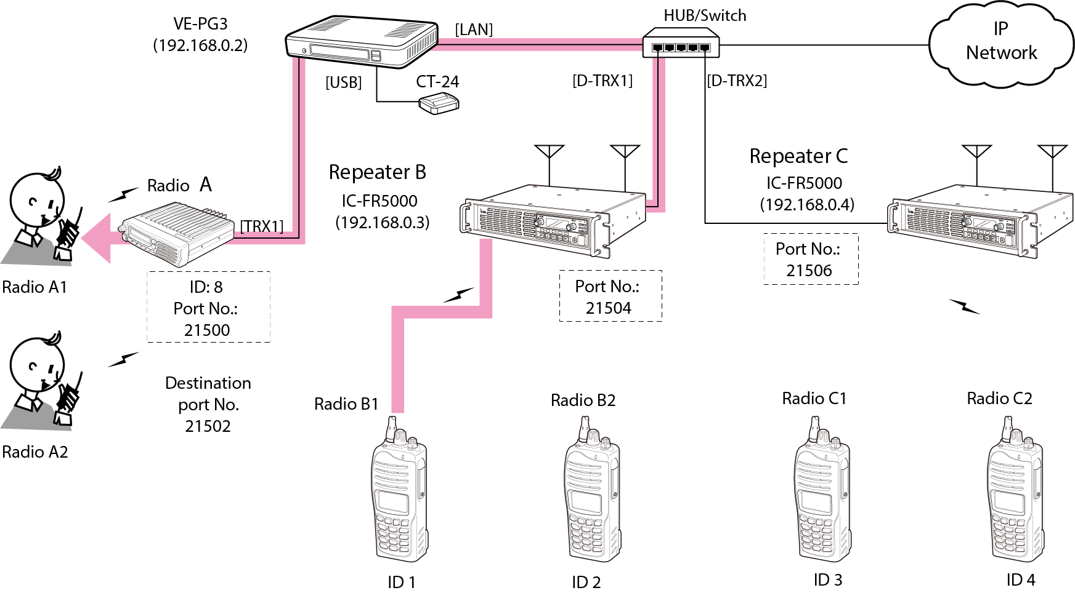

 | Configuration

 |  | Menu Item | Setting Screen | Setteing Item | Item Name | Value
 |  | Management | Factory Default | Factory Default | Factory Default | Restore V/RoIP Settings to Factory Default

 |  | Menu Item | Setting Screen | Setteing Item | Item Name | Value
 |  | Operating Mode | Operating Mode | Operating Mode | Operating Mode | Bridge
 |  |  |  | IP Communication Mode | Transceiver 1 (TRX1) | Unicast

 |  | Bridge Connection | Bridge Connection | Bridge Connection Point | Port type | Transceiver 1 (TRX1)
 |  |  |  | (TRX1) | Connection IP Address | 192.168.0.2
 |  |  |  |  | Connection Port Number | 21502 (unused port)
 |  |  |  |  | Voice Codec | AMBE+2
 |  |  |  | (D-TRX1) | Sel Call in bridge Connection | Enable
 |  |  |  |  | Voice Codec | AMBE+2
 |  |  |  | (D-TRX2) | Sel Call in bridge Connection | Enable
 |  |  |  |  | Voice Codec | AMBE+2
 |  |  |  | List of Bridge Connection Point Entries | Connection Status | "During transmit'
 |  |  | Sel Call in bridge Connection | Sel Call in bridge Connection | Radio B1 | Destination ID:1, 192.168.0.2, 21504
 |  |  |  |  | Radio B2 | Destination ID:2, 192.168.0.2, 21504
 |  |  |  |  | Radio C1 | Destination ID:3, 192.168.0.2, 21506
 |  |  |  |  | Radio C2 | Destination ID:4, 192.168.0.2, 21506
 |  |  |  |  | Radio A1 | Destination ID:8, 192.168.0.2, 21500

 |  | Port Settings | Transceiver 1 (TRX1) | Transceiver Model | Transceiver Model | IC-F5060/F6060
 |  |  | Digital Transceiver 1 (D-TRX1) | Transceiver Model | Mode | NXDN Conventional
 |  |  |  |  | Repeater Address | 192.168.0.21 (UC-FR5000's IP Address)
 |  |  |  |  | TCP Port Number | 41200 (Connection: Receive port No.)
 |  |  |  |  | UDP Port Number | 41220 (Data: Receive port No.)
 |  |  |  |  | Connect key | ucfr5000 (UC-FR5000's key code)
 |  |  |  |  | Unit ID | 10 (Unit ID)
 |  |  | Digital Transceiver 2 (D-TRX2) | Transceiver Model | Mode | NXDN Conventional
 |  |  |  |  | Repeater Address | 192.168.0.22 (UC-FR5000's IP Address)
 |  |  |  |  | TCP Port Number | 41200 (Connection: Receive port No.)
 |  |  |  |  | UDP Port Number | 41220 (Data: Receive port No.)
 |  |  |  |  | Connect key | ucfr5000 (UC-FR5000's key code)
 |  |  |  |  | Unit ID | 20 (Unit ID)

7
7 Peer to Peer Mode with a Radio and an IP Telephone

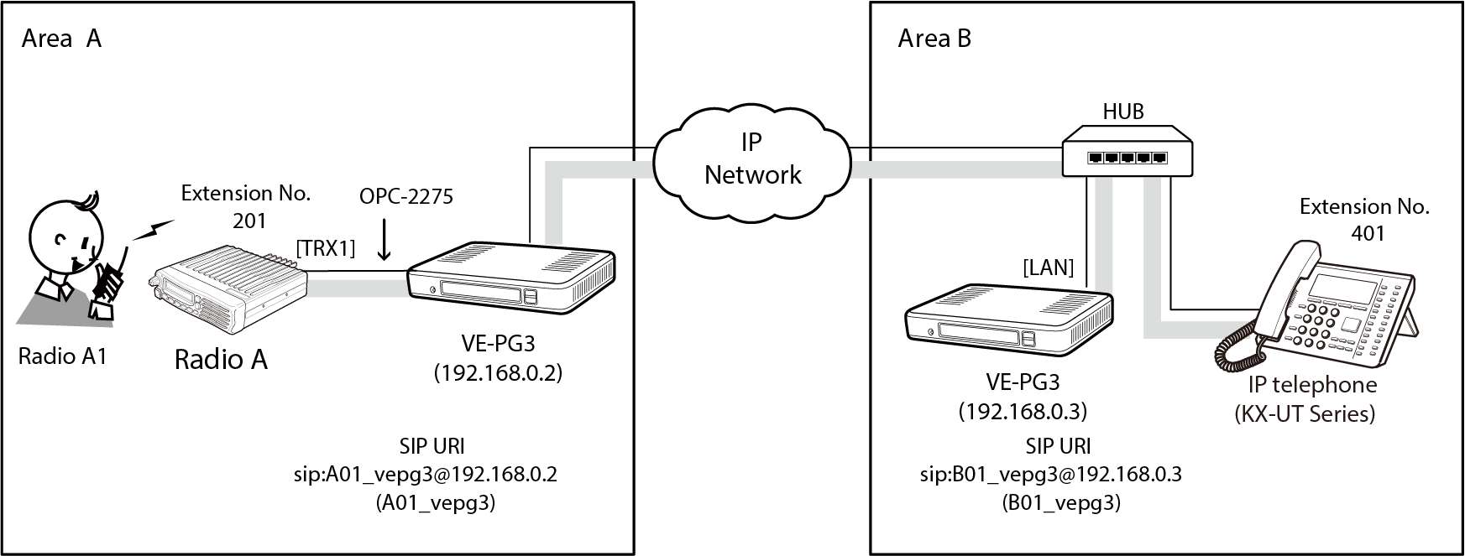

 | Configuration

 |  | Menu Item | Setting Screen | Setteing Item | Item Name | Value
 |  | Management | Factory Default | Factory Default | Factory Default | Restore V/RoIP Settings to Factory Default

 | Area A
 |  | Menu Item | Setting Screen | Setteing Item | Item Name | Value
 |  | Operating Mode | Operating Mode | Operating Mode | Operating Mode | Converter

 |  | V/RoIP | Peer to Peer | Peer to Peer | SIP URI | A01_vepg3@192.168.0.2
 |  |  | VoIP Phone Book | List of VoIP Phone Book Entries | Phone No. | 401
 |  |  |  |  | SIP URI | B01_vepg3@192.168.0.3

 |  | Extension Connect | Extension Connect | Extension | Extension Number | 201
 |  |  |  |  | Port type | Transceiver 1 (TRX1)
 |  |  |  |  | Outgoing Line(Peer to Peer) | A01_vepg3
 |  |  |  |  | Default call Destination Number | 401 (From Radio A1 to IP Phone)
 |  |  | Incoming Call | V/RoIP Incoming Call Setting | Receive port | 201 (TRX1)

 |  | Port Settings | Transceiver 1 (TRX1) | Transceiver model | Transceiver model | IC-F5060/F6060

 | Area B
 |  | Menu Item | Setting Screen | Setteing Item | Item Name | Value
 |  | Operating Mode | Operating Mode | Operating Mode | Operating Mode | Converter

 |  | Network | DHCP Server | DHCP Server | DHCP Server | Enable

 |  | V/RoIP | Peer to Peer | Peer to Peer | SIP URI | B01_vepg3@192.168.0.3
 |  |  | VoIP Phone Book | List of VoIP Phone Book Entries | Phone No. | 201
 |  |  |  |  | SIP URI | A01_vepg3@192.168.0.2

 |  | Extension Connect | Extension Connect | Extension | Extension Number | 401
 |  |  |  |  | Port type | SIP Phone (KX-UT Series)
 |  |  |  |  | Password | (Any)
 |  |  |  |  | Outgoing Line(Peer to Peer) | A01_vepg3
 |  |  | Incoming Call | V/RoIP Incoming Call Setting | Receive port | 401 (Incoming Call of B01_vepg3)

8
8 NXDN Trunking with an IP Telephone

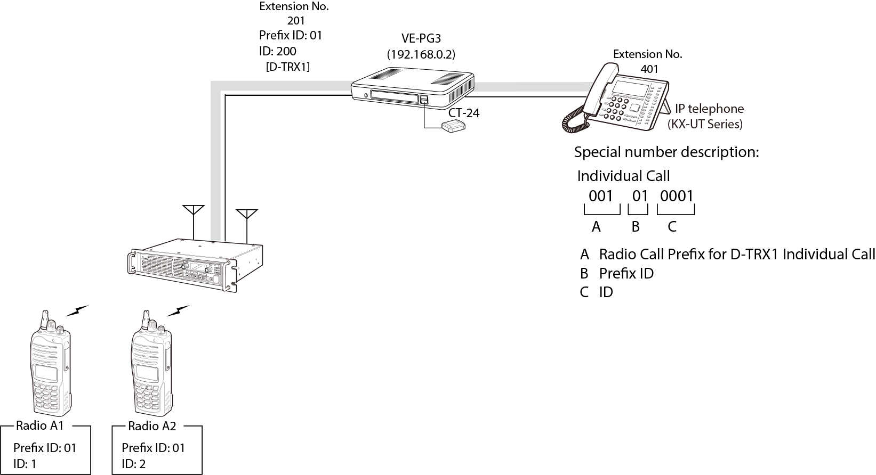

 | Configuration

 |  | Menu Item | Setting Screen | Setteing Item | Item Name | Value
 |  | Management | Factory Default | Factory Default | Factory Default | Restore V/RoIP Settings to Factory Default

 |  | Menu Item | Setting Screen | Setteing Item | Item Name | Value
 |  | Operating Mode | Operating Mode | Operating Mode | Operating Mode | Converter

 |  | Extension Connect | Extension Connect | Extension | Extension Number | 201
 |  |  |  |  | Port type | Digital Transceiver 1 (D-TRX1)
 |  |  |  | Extension | Extension Number | 401
 |  |  |  |  | Port type | SIP Phone (KX-UT Series)
 |  |  |  |  | Password | (Any)
 |  |  |  |  | MAC Address | (IP Phone's MAC Address)
 |  |  | Special Number | Special Number | Immediate Calling | #

 |  | Port Settings | Digital Transceiver 1 (D-TRX1) | Transceiver model | Mode | NXDN Trunking
 |  |  |  | Digital Transceiver Connection | Repeater Address | 192.168.0.21 (UC-FR5000's IP Address)
 |  |  |  |  | Connect key | ucfr5000 (UC-FR5000's key code)
 |  |  |  |  | Prefix ID | 1
 |  |  |  |  | Unit ID | 100
 |  |  |  | DTMF Call | Use DTMF Call | Enable

9
9 NXDN Conventional Mode with an IP Telephone
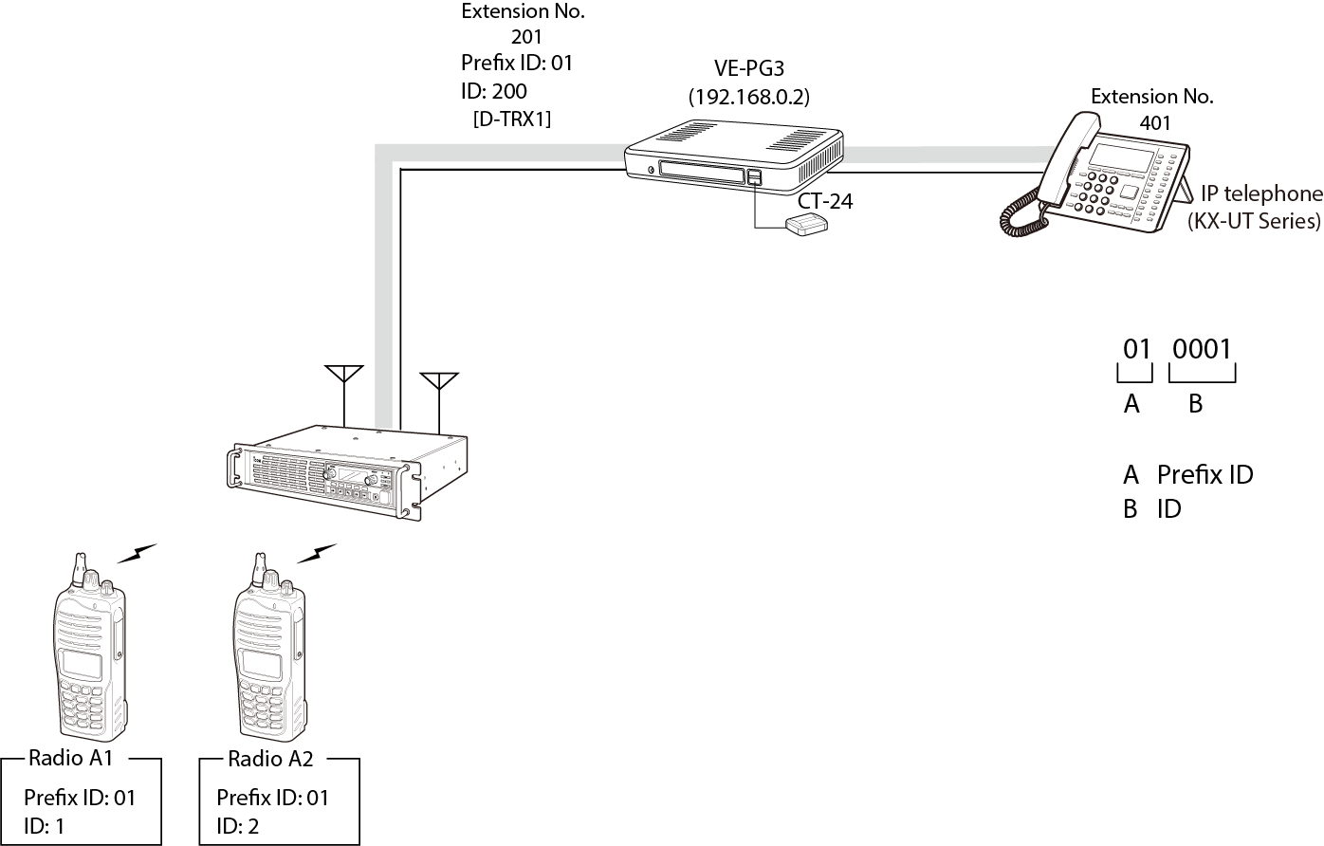

G |  |  |  |  |  | Grandstream gxp 2130 SIP Phone example

 | Configuration

 |  | Menu Item | Setting Screen | Setteing Item | Item Name | Value
 |  | Management | Factory Default | Factory Default | Factory Default | Restore V/RoIP Settings to Factory Default

 |  | Menu Item | Setting Screen | Setteing Item | Item Name | Value
 |  | Operating Mode | Operating Mode | Operating Mode | Operating Mode | Converter

 |  | Extension Connect | Extension Connect | Extension | Extension Number | 201
 |  |  |  |  | Port type | Digital Transceiver 1 (D-TRX1)
 |  |  |  | Extension | Extension Number | 401
 |  |  |  |  | Port type | SIP Phone (KX-UT Series or Automatic Detection)
 |  |  |  |  | Password | 401
 |  |  |  |  | MAC Address | (IP Phone's MAC Address)
 |  |  | Special Number | Special Number | Immediate Calling | #

 |  | Port Settings | Digital Transceiver 1 (D-TRX1) | Transceiver model | Mode | NXDN Trunking/Conventional
 |  |  |  | Digital Transceiver Connection | Repeater Address | 192.168.0.21 (UC-FR5000's IP Address)
 |  |  |  |  | Connect key | ucfr5000 (UC-FR5000's key code)
 |  |  |  |  | Unit ID | 100 (should match UC-FR5000 Remote Dispatch screen)
 |  |  |  | DTMF Call | Use DTMF Call | Enable

 |  | UC-FR5000
 |  | Menu Item | Setting Screen | Setting Item | Item Name | Value
 |  | Operation (Settings) | Remote Dispatch | Remote Dispatch Settings | Service | Enable
 |  |  |  | Connectable Console List | DestPort | 43000
 |  |  |  |  | Fleet ID | 1
 |  |  |  |  | Prefix ID | 1
 |  |  |  |  | Unit ID | 100
 |  |  |  | Port Settings | Receive Port | 41220
 |  |  |  | Connect Key | Key Code | ucfr5000
 |  |  |  |  | Click | Write

10
10 Analog to Digital Conversion to a PSTN Line

 |  | Area A |  | Area B

 | Analog
 |  |  | OPC-2275 (TRX1)

PSTN
 |  | Analog
 |  |  |  | IP | LINE1
 | Digital

 |  |  | OPC-2275 (TRX2)
 |  | Digital

 | Configuration

 |  | Menu Item | Setting Screen | Setteing Item | Item Name | Value
 |  | Management | Factory Default | Factory Default | Factory Default | Restore V/RoIP Settings to Factory Default

 | Area A
 |  | Menu Item | Setting Screen | Setteing Item | Item Name | Value
 |  | Operating Mode | Operating Mode | Operating Mode | Operating Mode | Bridge
 |  |  |  | IP Communication Mode | IP Communication Mode | Unicast
 |  |  |  | Mixing Group |  | Transceiver 1(TRX1), Transceiver 2(TRX2)

 |  | Port Setting | Transceiver 1 (TRX1) | Transceiver Model | Transceiver Model | IC-F5060/F6060
 |  |  | Transceiver 2 (TRX2) | Transceiver Model | Transceiver Model | IC-F5060/F6060

 |  | Bridge Connection | Bridge Connection | Bridge Connection Point | Connection IP Address | 192.168.0.3
 |  |  |  |  | Connection Port Number | 21502
 |  |  |  |  | My Station Port Number | 21500
 |  |  |  |  | Voice Codec | G.711u
 |  |  |  |  | Connection Status | "During transmit'

 | Area B
 |  | Menu Item | Setting Screen | Setteing Item | Item Name | Value
 |  | Operating Mode | Operating Mode | Operating Mode | Operating Mode | Converter

 |  | V/RoIP | LINE1 | PSTN | Contract Line Number | 425-586-6395

 |  | Extension Connect | Extension Connect | Extension | Extension Number | 301
 |  |  |  |  | Port type | Bridge 1
 |  |  |  |  | Outgoing Line(Line) | 425-586-6395
 |  |  | Incoming Call | V/RoIP Incoming Call Setting | Receive port | 301 (Incoming Call of 425-586-6395)

 |  | Port Setting | Bridge 1 | Bridge Connection | Connection IP Address | 192.168.0.2
 |  |  |  |  | Connection Port Number | 21500
 |  |  |  |  | My Station Port Number | 21502
 |  |  |  |  | Voice Codec | G.711u
 |  |  |  |  | Connection Status | "During transmit'
 |  |  |  | DTMF Call Setting | Use DTMF Call | Enable

11
11 Analog to Digital Conversion with Two Areas and a PSTN Line

 |  | Area A |  | Area B
 |  | Ext 301
 | Analog

 |  |  | OPC-2275 (TRX1)

 |  | Analog
 |  |  |  | IP | Ext 302
 | Digital

 |  |  | OPC-2275 (TRX2)
 |  | Digital

 | Configuration

 |  | Menu Item | Setting Screen | Setteing Item | Item Name | Value
 |  | Management | Factory Default | Factory Default | Factory Default | Restore V/RoIP Settings to Factory Default

 | Area A
 |  | Menu Item | Setting Screen | Setteing Item | Item Name | Value
 |  | Operating Mode | Operating Mode | Operating Mode | Operating Mode | Bridge
 |  |  |  | IP Communication Mode | IP Communication Mode | Unicast
 |  |  |  | Mixing Group |  | Transceiver 1(TRX1), Transceiver 2(TRX2)

 |  | Port Setting | Transceiver 1 (TRX1) | Transceiver Model | Transceiver Model | IC-F5060/F6060
 |  |  | Transceiver 2 (TRX2) | Transceiver Model | Transceiver Model | IC-F5060/F6060

 |  | Bridge Connection | Bridge Connection | Bridge Connection Point | Connection IP Address | 192.168.0.3
 |  |  |  |  | Connection Port Number | 21502
 |  |  |  |  | My Station Port Number | 21500
 |  |  |  |  | Voice Codec | G.711u
 |  |  |  |  | Connection Status | "During transmit'

 | Area B
 |  | Menu Item | Setting Screen | Setteing Item | Item Name | Value
 |  | Operating Mode | Operating Mode | Operating Mode | Operating Mode | Converter

 |  | Extension Connect | Extension Connect | Extension | Extension Number | 301
 |  |  |  |  | Port type | Bridge 1
 |  | Extension Connect | Extension Connect | Extension | Outgoing Line(Line) | 302
 |  |  |  |  | Port type | Phone

 |  | Port Setting | Bridge 1 | Bridge Connection | Connection IP Address | 192.168.0.2
 |  |  |  |  | Connection Port Number | 21500
 |  |  |  |  | My Station Port Number | 21502
 |  |  |  |  | Voice Codec | G.711u
 |  |  |  |  | Connection Status | "During transmit'
 |  |  |  | DTMF Call Setting | Use DTMF Call | Enable

13
13 Connecting a SIP Phone Through a 3rd Party SIP server with IDAS conventional

 |  |  |  | 3rd Party SIP Server
 |  | DTMF 201 to talk to SIP phone |  | 192.168.0.4

CT-24
 |  | Digital
 |  |  |  |  | EXT.201
 |  |  | EXT.102 | EXT.101

 |  |  | Ethernet Cable
 |  | IC-FR5000 192.168.0.11 |  | VE-PG3 192.168.0.3 |  | SIP Phone
 |  | IDAS conventional |  | Converter Mode |  | DIAL 101 to talk with Radio

 | Configuration

 |  | Menu Item | Setting Screen | Setteing Item | Item Name | Value
 |  | Management | Factory Default | Factory Default | Factory Default | Restore V/RoIP Settings to Factory Default

 |  | Menu Item | Setting Screen | Setteing Item | Item Name | Value
 |  | Operating Mode | Operating Mode | Operating Mode | Operating Mode | Converter

 |  | V/RoIP | IP Line | SIP Server | Index | 1
 |  |  |  |  | IP Phone number | 101 (supplied from SIP Server)
 |  |  |  |  | SIP Server Address | 192.168.0.4
 |  |  |  |  | SIP Service Domain | (supplied from SIP Server)
 |  |  |  |  | User ID | 101 (supplied from SIP Server)
 |  |  |  |  | Password | 101 (supplied from SIP Server)

 |  | Extension Connect | Extension Connect | Extension | Extension Number | 102
 |  |  |  |  | Port type | Digital Transceiver 1 (D-TRX1)
 |  |  |  |  | Outgoing Line (IP Line) | 101

 |  |  | Incoming Call | V/RoIP Incoming Call Setting | Phone Number | 101
 |  |  |  |  | Line | IP Line
 |  |  |  |  | Receive Port | 102(D-TRX1)

 |  | Port Settings | Digital Transceiver 1 (D-TRX1) | Transceiver model | Mode | NXDN Conventional
 |  |  |  | Digital Transceiver Connection | Repeater Address | 192.168.0.11 (UC-FR5000's IP Address)
 |  |  |  |  | Connect key | ucfr5000 (UC-FR5000's key code)
 |  |  |  |  | Unit ID | 100
 |  |  |  | DTMF Call | Use DTMF Call | Enable

14
14 Connecting a SIP Phone Through a SIP server with IDAS Conventional

 |  |  |  | VE-PG3 (SIP Server)
 |  | DTMF 201 to talk to SIP phone |  | 192.168.0.4

CT-24
 |  | Digital
 |  |  |  |  | EXT.201
 |  |  | EXT.102 | EXT.101

 |  |  | Ethernet Cable
 |  | IC-FR5000 192.168.0.11 |  | VE-PG3 client 192.168.0.3 |  | SIP Phone
 |  | IDAS conventional |  | Converter Mode |  | DIAL 101 to talk with Radio

 | Configuration

 |  | Menu Item | Setting Screen | Setteing Item | Item Name | Value
 |  | Management | Factory Default | Factory Default | Factory Default | Restore V/RoIP Settings to Factory Default

 | VE-PG3 (SIP Server) 192.168.0.4
 |  | Menu Item | Setting Screen | Setteing Item | Item Name | Value
 |  | Network | DHCP Server | DHCP Server | DHCP Server | Enable

 |  | Operating Mode | Operating Mode | Operating Mode | Operating Mode | Converter

 |  | Extension Connect | Extension Connect | Extension | Extension Number | 101
 |  |  |  |  | Port type | SIP Phone (Automatic Detection)
 |  |  |  |  | Password | 101
 |  |  |  |  | MAC Address | ***** (VE-PG3 client's LAN MAC address)

 |  | Extension Connect | Extension Connect | Extension | Extension Number | 201
 |  |  |  |  | Port type | SIP Phone (KX-UT series)
 |  |  |  |  | Password | 201
 |  |  |  |  | MAC Address | ***** (KX-UT136's LAN MAC address)

 | VE-PG3 (client) 192.168.0.3
 |  | Menu Item | Setting Screen | Setteing Item | Item Name | Value
 |  | Operating Mode | Operating Mode | Operating Mode | Operating Mode | Converter

 |  | V/RoIP | IP Line | SIP Server | Index | 1
 |  |  |  |  | IP Phone number | 101
 |  |  |  |  | SIP Server Address | 192.168.0.4
 |  |  |  |  | User ID | 101
 |  |  |  |  | Password | 101

 |  | Extension Connect | Extension Connect | Extension | Extension Number | 102
 |  |  |  |  | Port type | Digital Transceiver 1 (D-TRX1)
 |  |  |  |  | Outgoing Line (IP Line) | 101

 |  |  | Incoming Call | V/RoIP Incoming Call Setting | Phone Number | 101
 |  |  |  |  | Line | IP Line
 |  |  |  |  | Receive Port | 102(D-TRX1)

 |  | Port Settings | Digital Transceiver 1 (D-TRX1) | Transceiver model | Mode | NXDN Conventional
 |  |  |  | Digital Transceiver Connection | Repeater Address | 192.168.0.11 (UC-FR5000's IP Address)
 |  |  |  |  | Connect key | ucfr5000 (UC-FR5000's key code)
 |  |  |  |  | Unit ID | 100
 |  |  |  | DTMF Call | Use DTMF Call | Enable

15
15 Connecting Through an Analog Repeater to an IDAS Digital Conventional Repeater

 |  | Area A |  |  | Area B

CT-24
 |  | Analog
 |  |  |  |  |  | Digital
 |  |  | OPC-2390 | Ethernet

 |  | IC-FR5000 |  | VE-PG3 client 192.168.0.2 |  | IDAS Digital Conventional
 |  | Analog Repeater |  | Bridge Mode |  | 192.168.0.11

 | Configuration

 |  | Menu Item | Setting Screen | Setteing Item | Item Name | Value
 |  | Management | Factory Default | Factory Default | Factory Default | Restore V/RoIP Settings to Factory Default

 | Area A | IC-FR-5000 Analog Repeater
 |  | Menu Item | Setting Screen | Setteing Item | Item Name | Value
 |  | CS-FR5000 | Memory CH | Frequency (MHZ) | RX/TX | Analog Frequency
 |  |  |  | Operation Mode |  | Simplex
 |  |  | External I/O | Port Setting | EXT.I/O 18 | Output, Busy, High
 |  |  | Common | Set Mode | AF Min Level | 10, Enable

 |  | VE-PG3 - 192.168.0.2
 |  | Menu Item | Setting Screen | Setting Item | Item Name | Value
 |  | Network | IP Address | Host Name | Host Name | VE-PG3
 |  |  |  | IP Address | IP Address | 192.168.0.2
 |  |  |  |  | Subnet Mask | 255.255.255.0

 |  | Operating Mode | Operating Mode | Operating Mode | Operating Mode | Bridge
 |  |  |  | IP Communication Mode | Transceiver 1 (TRX1) | Multicast
 |  |  |  |  | CT-24 Assignment | Unchecked
 |  |  |  | IP Communication Mode | Digital Transceiver 1(D-TRX1) | Multicast
 |  |  |  |  | CT-24 Assignment | Checked

 |  | Bridge Connection | Bridge Connection | Bridge Connection Point | Port type | Transceiver 1 (TRX1)
 |  |  |  | (TRX1) | Connection IP Address | 239.255.255.1
 |  |  |  |  | Connection Port Number | 22510
 |  |  |  |  | My Station Port Number | 22510
 |  |  |  |  | Voice Codec | G.711u
 |  |  |  | (D-TRX1) | Connection IP Address | 239.255.255.1
 |  |  |  |  | Connection Port Number | 22510
 |  |  |  |  | My Station Port Number | 22510
 |  |  |  |  | Voice Codec | G.711u
 |  |  |  | List of Bridge Connection Point Entries | Connection Status | "During transmit'

 |  | Port Settings | Transceiver 1 (TRX1) | Transceiver Model | Transceiver Model | IC-FR5000/FR6000
 |  |  |  | Transceiver Control | Priority Receive | Disable
 |  |  |  |  | Audio TX Method to the Transceiver | RTP
 |  |  |  |  | Audio Detection Method from the Transceiver | SQL
 |  |  |  | Voice Reception Control | Release Time | 1000

 |  |  | Digital Transceiver 1 (D-TRX1) | Transceiver model | Mode | NXDN Conventional
 |  |  |  | Digital Transceiver Connection | Repeater Address | 192.168.0.11 (UC-FR5000's IP Address)
 |  |  |  |  | Connect key | ucfr5000 (UC-FR5000's key code)
 |  |  |  |  | Unit ID | 1
 |  |  |  |  | Status | "Connecting"

 | Area B | IC-FR5000 IDAS Conventional Repeater - UC Network Card
 |  | Menu Item | Setting Screen | Setteing Item | Item Name | Value
 |  | UC-FR5000(192.168.0.11) | General Settings | Operation Mode Select |  | Conventional
 |  |  | Network | Network Settings | IP Address | 192.168.0.11
 |  |  |  |  | Subnet Mask | 255.255.255.0
 |  |  |  |  | Boadcast | 192.168.0.255
 |  |  |  |  | Default Gateway | 192.168.0.1
 |  |  |  |  | Host Name | ucfr5000
 |  |  |  |  | MTU | 1500

 |  |  | Operation Settings | Remote Dispatch Settings | Service | Enable checked
 |  |  |  |  | Connectable Console List | 192.168.0.2
 |  |  |  | Port Setting | Connection | "Default" 41200
 |  |  |  |  | Data | "Default" 41220
 |  |  | Multi-site Operation | Service | Multi-site Operation | Enable checked
 |  |  |  | Direct Address List |  | 192.168.0.2
 |  |  |  | Port Setting | Data | "Default" 41200

 |  | IC-FR5000 IDAS Conventional Repeater
 |  | Menu Item | Setting Screen | Setteing Item | Item Name | Value
 |  | CS-FR5000 | Memory CH | Frequency (MHZ) | RX/TX | Digial Frequency - RX/TX offset
 |  |  |  | Operation Mode |  | Repeat
 |  |  | Common | Common | Others | Digial Function: Enable

16
16 Connecting Through a SIP Phone on 3rd Party SIP server to an IP100 System
Detailed Step by Step Instructions

Access Point
 |  |  |  | 3CX SIP Server
 |  |  |  | 192.168.0.4

 |  |  |  |  | EXT.201
 |  |  | EXT.121 | EXT.120

 |  | IP1000C 192.168.0.2 |  | VE-PG3 192.168.0.3 |  | SIP Phone
 |  |  |  | Converter Mode |  | DIAL 120 to talk with Radio

 | Configuration

 |  | Menu Item | Setting Screen | Setteing Item | Item Name | Value
 |  | Management | Factory Default | Factory Default | Factory Default | Restore V/RoIP Settings to Factory Default

 |  | Menu Item | Setting Screen | Setteing Item | Item Name | Value
 |  | Operating Mode | Operating Mode | Operating Mode | Operating Mode | Converter

 |  | V/RoIP | IP Line | SIP Server | Index | 1
 |  |  |  |  | IP Phone number | 120(supplied from SIP Server)
 |  |  |  |  | SIP Server Address | 192.168.0.4
 |  |  |  |  | SIP Service Domain | (supplied from SIP Server)
 |  |  |  |  | User ID | 120 (supplied from SIP Server)
 |  |  |  |  | Password | 120 (supplied from SIP Server)

 |  | Extension Connect | Extension Connect | Extension | Extension Number | 121
 |  |  |  |  | Port type | Bridge 1
 |  |  |  |  | Outgoing Line (IP Line) | 120

 |  |  | Incoming Call | V/RoIP Incoming Call Setting | Phone Number | 120
 |  |  |  |  | Line | IP Line
 |  |  |  |  | Receive Port | 121 (Bridge 1)

 |  | Port Settings | Bridge 1 | Bridge Connection | Connection IP Address | 192.168.0.2
 |  |  |  |  | Connection Port Number | 21530
 |  |  |  |  | My Station Port Number | 21530
 |  |  |  |  | Voice Codec | G.711u Signaling
 |  |  |  |  | Connection Status | "During transmit'
 |  |  |  | Bridge Communication | Default Callee ID | Enable
 |  |  |  |  | Call Type | All
 |  |  |  |  | My Station | ID

 | IP-1000C
 |  | Menu Item | Setting Screen | Setteing Item | Item Name | Value
 |  | RoIP Server Setting | Bridge(Tenant1) | Bridge Connection | No | 1
 |  |  |  |  | Destination Address | 192.168.0.3
 |  |  |  |  | Destination Port Number | 21530
 |  |  |  |  | Service Port Number | 21530

 |  | Transceiver Settings | Transceiver Registration (Tenant1) | Transceiver Settings | TRX No | 1 | 2
 |  |  |  |  | Transceiver Model | IP-100H | IP-100H
 |  |  |  |  | Name | 1 | 2
 |  |  |  |  | Unit ID | 0001 | 0002
 |  |  |  |  | Password | iptrx | iptrx
 |  |  |  |  | Transceiver Port Number | 30000 | 30002
 |  |  |  |  | Server Port Number | 30000 | 30002
 |  |  |  |  | Group | 1 | 1

 |  | Transceiver Settings | Transceiver Settings(Tenant1) | Transceiver Settings | Unit ID | 0001 | 0002
 |  |  |  |  | Use ID List | Enable | Enable
 |  |  |  |  | Priority Call | Enable | Enable

 |  | Common Setting | ID List (Tenant1) | ID List (Setting Number1) | No | 1
 |  |  |  |  | Name | VE-PG3
 |  |  |  |  | Call Type | Telephone
 |  |  |  |  | Destination Phone Number | 201

 |  | Destination Setting | Destination Settings (Tenant1) |  | No | 1
 |  |  |  |  | Name | VE-PG3
 |  |  |  |  | Call Type | Telephone
 |  |  |  |  | Bridge number | 1
 |  |  |  |  | Destination Phone Number | 201

18
18 Connecting Through an Analog Radio to an IP100 System

Access Point
 |  |  | OPC-2275 | IP | IP

 |  | F6061D analog | VE-PG3 | IP1000C
 |  |  | 192.168.0.3 | 192.168.0.7
 |  |  | v2.03 or greater | v1.23 or greater

 | Analog |  |  |  | Unit 0001 | Unit 0002

Configuration |  | VE-PG3
 |  | Menu Item | Setting Screen | Setting Item | Item Name | Value
 |  | Operating Mode | Operating Mode | Operating Mode | Operating Mode | Bridge
 |  |  | IP Communication Mode | Transceiver 1 (TRX1) | IP Communication Mode | Unicast
 |  |  |  |  | CT-24 Assignment | unchecked
 |  |  |  | Controller 1 | IP Communication Mode | Unicast
 |  |  |  |  | CT-24 Assignment | unchecked

 |  | Bridge Connection | Bridge Connection | Bridge Connection Point | Port Type | Transceiver 1 (TRX1)
 |  |  |  |  | Connection IP Address | 192.168.0.3
 |  |  |  |  | Connection Port Number | 21500
 |  |  |  |  | My Station Port Number | 21502
 |  |  |  |  | Voice Codec | G.711u
 |  |  |  |  | Connection Status | "During transmit'

 |  |  |  |  | Port Type | Controller 1
 |  |  |  |  | SelCall in Bridge Connection | Disable
 |  |  |  |  | Connection IP Address | 192.168.0.3
 |  |  |  |  | Connection Port Number | 21502
 |  |  |  |  | My Station Port Number | 21500
 |  |  |  |  | Voice Codec | G.711u
 |  |  |  |  | Connection Status | "During transmit'

 |  | Port Setting | Transceiver 1 | Transceiver Model | Transceiver Model | IC-F5060/F6060
 |  |  |  | Bridge Connection | Default Callee ID | Enable
 |  |  |  |  | Call type | Group
 |  |  |  |  | Destination ID | 1
 |  |  |  |  | My Station ID | 3

 |  |  | Controller 1 | Controller Connection | Controller Address | 192.168.0.7
 |  |  |  |  | Controller Port Number | 32010
 |  |  |  |  | Local Port Number | 32000
 |  |  |  |  | Connection Status | "During transmit'
 |  |  |  | Controller Communication | Call Type | Group
 |  |  |  |  | Tenant Number | 1
 |  |  |  |  | Destination ID | 1
 |  |  |  |  | My Station ID | 0004

 |  | IP1000C
 |  | Menu Item | Setting Screen | Setteing Item | Item Name | Value
 |  | RoIP Setting |  | Additional Controller Setting | Additional Controller | Enable
 |  |  |  |  | Controller Mode | Master
 |  |  |  |  | Service Port Number | 32010

 |  | RoIP Server Setting | Additional Controller Link | Link Setting | No | 1
 |  |  |  |  | Destination Address | 192.168.0.3
 |  |  |  |  | Destination Port Number | 32000

 |  | Transceiver Settings | Transceiver Registration (Tenant1) | Transceiver Settings | TRX No | 1 | 2
 |  |  |  |  | Transceiver Model | IP-100H | IP-100H
 |  |  |  |  | Name | 1 | 2
 |  |  |  |  | Unit ID | 0001 | 0002
 |  |  |  |  | Password | iptrx | iptrx
 |  |  |  |  | Transceiver Port Number | 30000 | 30002
 |  |  |  |  | Server Port Number | 30000 | 30002
 |  |  |  |  | Group | 1 | 1

 |  | Transceiver Settings | Transceiver Settings(Tenant1) | Transceiver Settings | Unit ID | 0001 | 0002
 |  |  |  |  | Use ID List | Enable | Enable
 |  |  |  |  | Priority Call | Enable | Enable

 |  | Common Setting | ID List (Tenant1) | ID List (Setting Number1) | No | 1
 |  |  |  |  | Name | TG1
 |  |  |  |  | Call Type | Talkgroup
 |  |  |  |  | Destination ID | 0001

 |  | Destination Setting | Destination Settings (Tenant1) |  | No | 1
 |  |  |  |  | Name | TG1
 |  |  |  |  | Call Type | Talkgroup
 |  |  |  |  | Destination ID | 0001
 |  |  |  |  | Communication Type | Full Duplex
 |  |  |  |  | Additonal Controller | 1

19
19 Connecting IDAS Radio and IP100H 1 with One Talkgroup

Access Point
 |  |  | IP | IP | IP

 |  | IC-FR5000 Digital | VE-PG3 | IP-1000C
 |  | 192.168.0.11 | 192.168.0.3 | 192.168.0.7
 |  |  | Rev2.03 or newer | Rev1.23 or newer
CT-24
 | Digital |  |  |  | Unit 0001 | Unit 0002

 | Configuration

 | VE-PG3
 |  | Menu Item | Setting Screen | Setting Item | Item Name | Value
 |  | Operating Mode | Operating Mode | Operating Mode | Operating Mode | Bridge
 |  |  | IP Communication Mode | Digital Transceiver 1 (D-TRX1) | IP Communication Mode | Unicast
 |  |  |  |  | CT-24 Assignment | unchecked
 |  |  |  | Controller 1 | IP Communication Mode | Unicast
 |  |  |  |  | CT-24 Assignment | checked

 |  | Bridge Connection | Bridge Connection | Bridge Connection Point | Port Type | Digital Transceiver 1 (D-TRX1)
 |  |  |  |  | SelCall in Bridge Connection | Disable
 |  |  |  |  | Connection IP Address | 192.168.0.3
 |  |  |  |  | Connection Port Number | 21500
 |  |  |  |  | My Station Port Number | 21502
 |  |  |  |  | Voice Codec | AMBE+2
 |  |  |  |  | Connection Status | "During transmit'

 |  |  |  |  | Port Type | Controller 1
 |  |  |  |  | SelCall in Bridge Connection | Disable
 |  |  |  |  | Connection IP Address | 192.168.0.3
 |  |  |  |  | Connection Port Number | 21502
 |  |  |  |  | My Station Port Number | 21500
 |  |  |  |  | Voice Codec | AMBE+2
 |  |  |  |  | Connection Status | "During transmit'

 |  | Port Setting | Digital Transceiver 1 (D-TRX1) | Digital Transceiver Model | Mode | IDAS conventional
 |  |  |  | Digital Transceiver Connection | Repeater Address | 192.168.0.11
 |  |  |  |  | TCP port number | 41200
 |  |  |  |  | UDP port number | 41220
 |  |  |  |  | Connect key | ucfr5000
 |  |  |  |  | Connection Status | Connecting

 |  |  | Controller 1 | Controller Connection | Controller Address | 192.168.0.7
 |  |  |  |  | Controller Port Number | 32010
 |  |  |  |  | Local Port Number | 32000
 |  |  |  |  | Connection Status | "During transmit'
 |  |  |  | Controller Communication | Call Type | All
 |  |  |  |  | Tenant Number | 1
 |  |  |  |  | My Station ID | 0003

 | IP-1000C
 |  | Menu Item | Setting Screen | Setteing Item | Item Name | Value
 |  | RoIP Setting |  | Additional Controller Setting | Additional Controller | Enable
 |  |  |  |  | Controller Mode | Master
 |  |  |  |  | Service Port Number | 32010

 |  | RoIP Server Setting | Additional Controller Link | Link Setting | No | 1
 |  |  |  |  | Destination Address | 192.168.0.3
 |  |  |  |  | Destination Port Number | 32000

 |  | Transceiver Settings | Transceiver Registration (Tenant1) | Transceiver Settings | TRX No | 1 | 2
 |  |  |  |  | Transceiver Model | IP-100H | IP-100H
 |  |  |  |  | Name | 1 | 2
 |  |  |  |  | Unit ID | 0001 | 0002
 |  |  |  |  | Password | iptrx | iptrx
 |  |  |  |  | Transceiver Port Number | 30000 | 30002
 |  |  |  |  | Server Port Number | 30000 | 30002
 |  |  |  |  | Group | 1 | 1

 |  | Transceiver Settings | Transceiver Settings(Tenant1) | Transceiver Settings | Unit ID | 0001 | 0002
 |  |  |  |  | Use ID List | Enable | Enable
 |  |  |  |  | Priority Call | Enable | Enable

 |  | Common Setting | ID List (Tenant1) | ID List (Setting Number1) | No | 1
 |  |  |  |  | Name | GROUP1
 |  |  |  |  | Call Type | Group
 |  |  |  |  | Destination ID | 0001

 |  | Destination Setting | Destination Settings (Tenant1) |  | No | 1
 |  |  |  |  | Name | GROUP1
 |  |  |  |  | Call Type | Group
 |  |  |  |  | Destination ID | 0001
 |  |  |  |  | Communication Type | Full Duplex
 |  |  |  |  | Transceiver Selection | 0001, 0002
 |  |  |  |  | Additonal Controller | 1

21
21 Connecting Analog Radio and IP100H with Two VE-PG3s

 |  | OPC-2275
Access Point
 |  |  |  | IP | IP

 |  | IC-F6061D analog | VE-PG3 | IP-1000C
 |  |  | 192.168.0.3 | 192.168.0.7
 |  |  | Rev2.03 or newer | Rev1.23 or newer

 | Analog |  |  |  | Unit 0001 | Unit 0002

 | Configuration

 | VE-PG3
 |  | Menu Item | Setting Screen | Setting Item | Item Name | Value
 |  | Operating Mode | Operating Mode | Operating Mode | Operating Mode | Bridge
 |  |  | IP Communication Mode | Digital Transceiver 1 (D-TRX1) | IP Communication Mode | Unicast
 |  |  |  |  | CT-24 Assignment | unchecked
 |  |  |  | Controller 1 | IP Communication Mode | Unicast
 |  |  |  |  | CT-24 Assignment | checked

 |  | Bridge Connection | Bridge Connection | Bridge Connection Point | Port Type | Transceiver 1 (TRX1)
 |  |  |  |  | SelCall in Bridge Connection | Disable
 |  |  |  |  | Connection IP Address | 192.168.0.3
 |  |  |  |  | Connection Port Number | 21500
 |  |  |  |  | My Station Port Number | 21502
 |  |  |  |  | Voice Codec | G.711u
 |  |  |  |  | Connection Status | "During transmit'

 |  |  |  |  | Port Type | Controller 1
 |  |  |  |  | SelCall in Bridge Connection | Disable
 |  |  |  |  | Connection IP Address | 192.168.0.3
 |  |  |  |  | Connection Port Number | 21502
 |  |  |  |  | My Station Port Number | 21500
 |  |  |  |  | Voice Codec | G.711u
 |  |  |  |  | Connection Status | "During transmit'

 |  | Port Setting | Transceiver 1 | Transceiver Model | Transceiver Model | IC-F5060/F6060
 |  |  |  | Bridge Connection | Default Callee ID | Enable
 |  |  |  |  | Call type | Group
 |  |  |  |  | Destination ID | 1
 |  |  |  |  | My Station ID | 3

 |  |  | Controller 1 | Controller Connection | Controller Address | 192.168.0.7
 |  |  |  |  | Controller Port Number | 32010
 |  |  |  |  | Local Port Number | 32000
 |  |  |  |  | Connection Status | "During transmit'
 |  |  |  | Controller Communication | Call Type | Group
 |  |  |  |  | Tenant Number | 1
 |  |  |  |  | Destination ID | 1
 |  |  |  |  | My Station ID | 0004

 | IP-1000C
 |  | Menu Item | Setting Screen | Setteing Item | Item Name | Value
 |  | RoIP Setting |  | Additional Controller Setting | Additional Controller | Enable
 |  |  |  |  | Controller Mode | Master
 |  |  |  |  | Service Port Number | 32010

 |  | RoIP Server Setting | Additional Controller Link | Link Setting | No | 1
 |  |  |  |  | Destination Address | 192.168.0.3
 |  |  |  |  | Destination Port Number | 32000

 |  | Transceiver Settings | Transceiver Registration (Tenant1) | Transceiver Settings | TRX No | 1 | 2
 |  |  |  |  | Transceiver Model | IP-100H | IP-100H
 |  |  |  |  | Name | 1 | 2
 |  |  |  |  | Unit ID | 0001 | 0002
 |  |  |  |  | Password | iptrx | iptrx
 |  |  |  |  | Transceiver Port Number | 30000 | 30002
 |  |  |  |  | Server Port Number | 30000 | 30002
 |  |  |  |  | Group | 1 | 1

 |  | Transceiver Settings | Transceiver Settings(Tenant1) | Transceiver Settings | Unit ID | 0001 | 0002
 |  |  |  |  | Use ID List | Enable | Enable
 |  |  |  |  | Priority Call | Enable | Enable

 |  | Common Setting | ID List (Tenant1) | ID List (Setting Number1) | No | 1
 |  |  |  |  | Name | TG1
 |  |  |  |  | Call Type | Talkgroup
 |  |  |  |  | Destination ID | 0001

 |  | Destination Setting | Destination Settings (Tenant1) |  | No | 1
 |  |  |  |  | Name | TG1
 |  |  |  |  | Call Type | Talkgroup
 |  |  |  |  | Destination ID | 0001
 |  |  |  |  | Communication Type | Full Duplex
 |  |  |  |  | Transceiver Selection | 0001, 0002, 0003, 0004
 |  |  |  |  | Additonal Controller | 1

25
25 Connecting IDAS Multi-Trunk and IP-100H (TALK GROUP 1)

 |  | Remote Dispatch connection Unit ID 01-0001

Access Point
 | Unit ID |  | IP | IP | IP | 192.168.0.1
 | 01-0001
 | IP | Multi-trunk Site master | VE-PG3 | IP-1000C
 |  | 192.168.0.11 | 192.168.0.3 | 192.168.0.2
 |  |  | Rev2.03 or newer | Rev1.23 or newer | TG1 | TG1
CT-24
 | Digital | Multi-trunk Home |  |  | Unit 0001 | Unit 0002
 |  | 192.168.0.12
 | IP

 | TG 01-0001 | Multi-trunk Traffic
 | Unit 01-0002 | 192.168.0.13

 | Configuration

 | UC-FR5000
 |  | Menu Item | Setting Screen | Setting Item | Item Name | Value
 |  | Operation (Settings) | Remote Dispatch | Remote Dispatch Settings | Service | Enable
 |  |  |  | Connectable Console List | DestPort | 43000
 |  |  |  |  | Fleet ID | 1
 |  |  |  |  | Prefix ID | 1
 |  |  |  |  | Unit ID | 1
 |  |  |  | Port Settings | Receive Port | 41220
 |  |  |  | Connect Key | Key Code | ucfr5000
 |  |  |  |  | Click | Write

 | VE-PG3
 |  | Menu Item | Setting Screen | Setting Item | Item Name | Value
 |  | Operating Mode | Operating Mode | Operating Mode | Operating Mode | Bridge
 |  |  | IP Communication Mode | Digital Transceiver 1 (D-TRX1) | IP Communication Mode | Unicast
 |  |  |  |  | CT-24 Assignment | unchecked
 |  |  |  | Controller 1 | IP Communication Mode | Unicast
 |  |  |  |  | CT-24 Assignment | checked

 |  | Bridge Connection | Bridge Connection | Bridge Connection Point | Port Type | Digital Transceiver 1 (D-TRX1)
 |  |  |  |  | SelCall in Bridge Connection | Disable
 |  |  |  |  | Connection IP Address | 192.168.0.3
 |  |  |  |  | Connection Port Number | 21500
 |  |  |  |  | My Station Port Number | 21502
 |  |  |  |  | Voice Codec | AMBE+2
 |  |  |  |  | Connection Status | "During transmit'

 |  |  |  |  | Port Type | Controller 1
 |  |  |  |  | SelCall in Bridge Connection | Disable
 |  |  |  |  | Connection IP Address | 192.168.0.3
 |  |  |  |  | Connection Port Number | 21502
 |  |  |  |  | My Station Port Number | 21500
 |  |  |  |  | Voice Codec | AMBE+2
 |  |  |  |  | Connection Status | "During transmit'
 |  |  | Selcall Number Converting | Selcall Number Converting | Index | 1 | 2
 |  |  |  |  | Name | 1 to 01-0001 | 01-0001 to 1
 |  |  |  |  | Destination > Call Type | Group | Group
 |  |  |  |  | Destination > Prefix | (blank) | 1
 |  |  |  |  | Destination > ID | 1 | 1
 |  |  |  |  | Convert Destination > Call Type | Group | Group
 |  |  |  |  | Convert Destination > Prefix | 1 | (blank)
 |  |  |  |  | Convert Destination > ID | 1 | 1

 |  | Port Setting | Digital Transceiver 1 (D-TRX1) | Digital Transceiver Model | Mode | IDAS trunking
 |  |  |  | Digital Transceiver Connection | Repeater Address | 192.168.0.11
 |  |  |  |  | Repeater port number | 41220
 |  |  |  |  | Local port number | 43000
 |  |  |  |  | Connect key | ucfr5000
 |  |  |  |  | Connection Status | Connecting
 |  |  |  | Unit > | Prefix ID | 1
 |  |  |  | Unit > | Unit ID | 1
 |  |  |  | Talkgroup > | Prefix ID | 1
 |  |  |  | Talkgroup > | Talkgroup ID | 1
 |  |  |  |  | Status | Connecting
 |  |  |  | Default Callee ID | Call Type | Group
 |  |  |  |  | Destination Prefix ID | 1
 |  |  |  |  | Destination ID (Group) | 1

 |  |  | Controller 1 | Controller Connection | Controller Address | 192.168.0.2
 |  |  |  |  | Controller Port Number | 32000
 |  |  |  |  | Local Port Number | 32010
 |  |  |  |  | Connection Status | "During transmit'
 |  |  |  | Controller Communication | Call Type | All
 |  |  |  |  | Tenant Number | 1
 |  |  |  |  | My Station ID | 0003

 | IP-1000C
 |  | Menu Item | Setting Screen | Setteing Item | Item Name | Value
 |  | RoIP Setting |  | Additional Controller Setting | Additional Controller | Enable
 |  |  |  |  | Controller Mode | Master
 |  |  |  |  | Service Port Number | 32000

 |  | RoIP Server Setting | Additional Controller Link | Link Setting | No. | 1
 |  |  |  |  | Destination Address | 192.168.0.3
 |  |  |  |  | Destination Port Number | 32010

 |  | Transceiver Settings | Transceiver Registration (Tenant1) | Transceiver Settings | TRX No | 1 | 2
 |  |  |  |  | Transceiver Model | IP-100H | IP-100H
 |  |  |  |  | Name | 1 | 2
 |  |  |  |  | Unit ID | 0001 | 0002
 |  |  |  |  | Password | iptrx | iptrx
 |  |  |  |  | Transceiver Port Number | 30000 | 30002
 |  |  |  |  | Server Port Number | 30000 | 30002
 |  |  |  |  | Group | 1 | 1

 |  | Transceiver Settings | Transceiver Settings(Tenant1) | Transceiver Settings | Unit ID | 0001 | 0002
 |  |  |  |  | Use ID List | Enable | Enable
 |  |  |  |  | Priority Call | Enable | Enable

 |  | Common Setting | ID List (Tenant1) | ID List (Setting Number1) | No | 1
 |  |  |  |  | Name | TG 1
 |  |  |  |  | Call Type | Talkgroup
 |  |  |  |  | Destination ID | 0001

 |  | Destination Setting | Destination Settings (Tenant1) |  | No | 1
 |  |  |  |  | Name | TG1
 |  |  |  |  | Call Type | Talkgroup
 |  |  |  |  | Destination ID | 0001
 |  |  |  |  | Communication Type | Full Duplex
 |  |  |  |  | Additonal Controller | 1 (VE-PG3)
 |  |  |  |  | Click | Apply

 |  | Note: Reboot VE-PG3 / IP1000C if all settings are correct and the audio still won't pass.

27
27 Connecting Two Repeaters with a SIP Phone (Panasonic KX-UT136)

 |  |  |  | OPC-2390

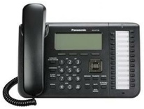
 |  | REPEATER 1 | TRX-1
 |  |  | Extension: 201

 |  |  | 192.168.0.1
 |  |  |  |  | CAT 5: LAN port | KX-UT136 SIP PHONE
 |  |  |  |  |  | Extension: 501

 |  |  |  | OPC-2274
 |  | REPEATER 2 | TRX-2
 |  |  | Extension: 301

 | In this configuration, two Repeaters and an Analog phone areconnected over the VEPG3. The VE-PG3 is set to Converter mode, so no calls can be made without first selecting the destination Extension number. The repeaters are programmed as either Analog or Digital depending on the customer preference. Note: If no Extension numbers are chosen prior to a call, communications will not be transfered thru the VE-PG3.

 | FR5000 Both Repeater
 |  | Menu Item | Setting Screen | Setting Item | Item Name | Value
 |  | CS-FR5000 | Memory CH | Frequency (MHZ) | RX/TX | Frequency
 |  |  |  | Operation Mode |  | Repeat
 |  |  | External I/O | Port Setting | EXT.I/O 18 | Output: Busy, Analog Audible or Digital Audible set to High
 |  |  | Common | Set Mode | AF Min Level | 1, Enable

 | VE-PG3
 |  | Menu Item | Setting Screen | Setting Item | Item Name | Value
 |  | Management | Factory Default | Factory Default | Factory Default | Restore V/RoIP Settings to Factory Default

 |  | Menu Item | Setting Screen | Setting Item | Item Name | Value
 |  | Network | IP Address | Host Name | Host Name | VE-PG3
 |  |  |  | IP Address | IP Address | 192.168.0.1
 |  |  |  |  | Subnet Mask | 255.255.255.0
 |  |  | DHCP Server | DHCP Server | DHCP Server | Enable

 |  | Operating Mode | Operating Mode | Operating Mode | Operating Mode | Converter

 | REPEATER 1
 |  | Menu Item | Setting Screen | Setting Item | Item Name | Value
 |  | Extension Connect | Extension Connect | Extension | Extension Number | 201
 |  |  |  |  | Port type | Transceiver 1 (TRX1)
 |  | Port Settings | Transceiver 1 (TRX1) | Transceiver Model | Transceiver Model | IC-FR5000/FR6000
 |  |  |  | DTMF Call Setting | Use DTMF Call | Enable

 | REPEATER 2
 |  | Menu Item | Setting Screen | Setting Item | Item Name | Value
 |  | Extension Connect | Extension Connect | Extension | Extension Number | 301
 |  |  |  |  | Port type | Transceiver 2 (TRX2)
 |  | Port Settings | Transceiver 1 (TRX1) | Transceiver Model | Transceiver Model | IC-FR5000/FR6000
 |  |  |  | DTMF Call Setting | Use DTMF Call | Enable

 | SIP PHONE
 |  | Menu Item | Setting Screen | Setting Item | Item Name | Value
 |  | Extension Connect | Extension Connect | Extension | Extension Number | 501
 |  |  |  |  | Port type | SIP Phone (KX-UT Series)
 |  |  |  |  | MAC Address | Enter SIP Phone's MAC Address

29
29 Connecting IP100H to SIP Phone

Access Point
 |  | IP | IP |  | LAN

 |  |  | IP1000C: 192.168.0.2 | VE-PG3: 192.168.0.3 | KX-UT136 SIP PHONE
IP100H |  |  | Extension: 505 |  | Extension: 501

 | Configuration

 | VE-PG3
 |  | Menu Item | Setting Screen | Setting Item | Item Name | Value
 |  | Management | Factory Default | Factory Default | Factory Default | Restore V/RoIP Settings to Factory Default

 |  | Menu Item | Setting Screen | Setting Item | Item Name | Value
 |  | Network | IP Address | Host Name | Host Name | VE-PG3
 |  |  |  | IP Address | IP Address | 192.168.0.3
 |  |  |  |  | Subnet Mask | 255.255.255.0
 |  |  | DHCP Server | DHCP Server | DHCP Server | Enable

 |  | Operating Mode | Operating Mode | Operating Mode | Operating Mode | Converter

 |  | Extension Connect | Extension Connect | Extension | Extension Number | 501
 |  |  |  |  | Port type | SIP Phone (KX-UT Series)
 |  |  |  |  | Password | (Any)
 |  |  |  |  | MAC Address | (IP Phone's MAC Address)

 |  |  |  |  | Extension Number | 505
 |  |  |  |  | Port type | Bridge 1

 |  | Port Setting | Bridge 1 | Bridge Connection | Connection IP Address | 192.168.0.2
 |  |  |  |  | Connection Port Number | 21530
 |  |  |  |  | My Station Port Number | 21530
 |  |  |  |  | Voice Codec | G.711u Signaling
 |  |  |  |  | Connection Status | "During transmit'
 |  |  |  | Bridge Communication | Default Callee ID | Enable
 |  |  |  |  | Call Type | All
 |  |  |  |  | My Station ID | 1

 | IP-1000C
 |  | Menu Item | Setting Screen | Setting Item | Item Name | Value
 |  | RoIP Server Setting | Bridge(Tenant1) | Bridge Connection | No | 1
 |  |  |  |  | Destination Address | 192.168.0.3
 |  |  |  |  | Destination Port Number | 21530
 |  |  |  |  | Service Port Number | 21530

 |  | Transceiver Settings | Transceiver Registration (Tenant1) | Transceiver Settings | TRX No | 1
 |  |  |  |  | Transceiver Model | IP-100H
 |  |  |  |  | Name | 1
 |  |  |  |  | Unit ID | 0001
 |  |  |  |  | Password | iptrx
 |  |  |  |  | Transceiver Port Number | 30000
 |  |  |  |  | Server Port Number | 30000
 |  |  |  |  | Group | 1

 |  | Transceiver Settings | Transceiver Settings(Tenant1) | Transceiver Settings | Unit ID | 0001
 |  |  |  |  | Use ID List | Enable
 |  |  |  |  | Priority Call | Enable

 |  | Common Setting | ID List (Tenant1) | ID List (Setting Number1) | No | 1
 |  |  |  |  | Name | VE-PG3
 |  |  |  |  | Call Type | Telephone
 |  |  |  |  | Destination Phone Number | 505

 |  | Destination Setting | Destination Settings (Tenant1) |  | No | 1
 |  |  |  |  | Name | VE-PG3
 |  |  |  |  | Call Type | Telephone
 |  |  |  |  | Bridge number | 1
 |  |  |  |  | Destination Phone Number | 505

30
30 Connecting IP100H to an Analog Phone

Access Point
 |  | IP | IP |  | PHONE LINE

 |  |  | IP1000C: 192.168.0.1 | VE-PG3: 192.168.0.2
IP100H |  |  | Extension: 201 |  | Extension: 401

 | Configuration

 | VE-PG3
 |  | Menu Item | Setting Screen | Setting Item | Item Name | Value
 |  | Management | Factory Default | Factory Default | Factory Default | Restore V/RoIP Settings to Factory Default

 |  | Menu Item | Setting Screen | Setting Item | Item Name | Value
 |  | Network | IP Address | Host Name | Host Name | VE-PG3
 |  |  |  | IP Address | IP Address | 192.168.0.1
 |  |  |  |  | Subnet Mask | 255.255.255.0

 |  | Operating Mode | Operating Mode | Operating Mode | Operating Mode | Converter

 |  | Extension Connect | Extension Connect | Extension | Extension Number | 201
 |  |  |  |  | Port type | Bridge 1
 |  |  |  |  | Outgoing Line Priority | IP Line = LINE
 |  |  |  |  | Use DTMF Call | Enable

 |  | Extension Connect | Extension Connect | Extension | Extension Number | 401
 |  |  |  |  | Port type | PHONE

 |  | Port Setting | Bridge 1 | Bridge Connection | Connection IP Address | 192.168.0.1
 |  |  |  |  | Connection Port Number | 21530
 |  |  |  |  | My Station Port Number | 21530
 |  |  |  |  | Voice Codec | G.711u Signaling
 |  |  |  |  | Connection Status | "During transmit'
 |  |  |  | Bridge Communication | Default Callee ID | Enable
 |  |  |  |  | Call Type | All
 |  |  |  |  | My Station ID | 1

 | IP-1000C
 |  | Menu Item | Setting Screen | Setting Item | Item Name | Value
 |  | Network Settings | IP Address | IP Address | IP Address | 192.168.0.1
 |  |  |  |  | Subnet Mask | 255.255.255.0
 |  |  |  | DHCP Server | DHCP Server | Disable

 |  | RoIP Server Setting | Telephone Gateway Interconnect | Telephone Gateway Interconnection | No | 1
 |  |  |  |  | Destination Address | 192.168.0.2
 |  |  |  |  | Destination Port Number | 21530
 |  |  |  |  | Service Port Number | 21530

 |  | Transceiver Settings | Transceiver Registration (Tenant1) | Transceiver Settings | TRX No | 1
 |  |  |  |  | Transceiver Model | IP-100H
 |  |  |  |  | Name | 1
 |  |  |  |  | Unit ID | 0001
 |  |  |  |  | Password | iptrx
 |  |  |  |  | Transceiver Port Number | 30000
 |  |  |  |  | Server Port Number | 30000
 |  |  |  |  | Group | 1

 |  | Transceiver Settings | Transceiver Settings(Tenant1) | Transceiver Settings | Unit ID | 0001
 |  |  |  |  | Use ID List | Enable
 |  |  |  |  | Priority Call | Enable

 |  | Common Setting | ID List (Tenant1) | ID List (Setting Number1) | No | 1
 |  |  |  |  | Name | VE-PG3
 |  |  |  |  | Call Type | Telephone
 |  |  |  |  | Destination Phone Number | 401

 |  | Destination Setting | Destination Settings (Tenant1) |  | No | 1
 |  |  |  |  | Name | VE-PG3
 |  |  |  |  | Call Type | Telephone
 |  |  |  |  | Bridge number | 1
 |  |  |  |  | Destination Phone Number | 401

31
31 Connecting IP1000C and VE-PG3: Analog phone Application in Converter Mode
Individualy calling IP100H radio using the DID function

Access Point
IP100H-1 | IP | IP |  | PHONE LINE

 |  | IP1000C: 192.168.0.1 | VE-PG3: 192.168.0.2
 |  | Extension: 201 |  | Extension: 401

IP100H-2

 | VE-PG3
 | Menu Item | Setting Screen | Setting Item | Item Name | Value
 | Management | Factory Default | Factory Default | Factory Default | Restore V/RoIP Settings to Factory Default

 | Menu Item | Setting Screen | Setting Item | Item Name | Value
 | Network | IP Address | Host Name | Host Name | VE-PG3
 |  |  | IP Address | IP Address | 192.168.0.1
 |  |  |  | Subnet Mask | 255.255.255.0

 | Operating Mode | Operating Mode | Operating Mode | Operating Mode | Converter

 | Extension Connect | Extension Connect | Extension | Extension Number | 201
 |  |  |  | Port type | Bridge 1
 |  |  |  | Outgoing Line Priority | IP Line = LINE
 |  |  |  | DID CALL | Enable

 | Extension Connect | Extension Connect | Extension | Extension Number | 401
 |  |  |  | Port type | PHONE

 | Port Setting | Bridge 1 | Bridge Connection | Connection IP Address | 192.168.0.1
 |  |  |  | Connection Port Number | 21530
 |  |  |  | My Station Port Number | 21530
 |  |  |  | Voice Codec | G.711u Signaling
 |  |  |  | Connection Status | "During transmit'

 | Transceiver Connection | Assignment Number | Assignment Number | Name | IP100H-1
 |  |  |  | Call Type | Individual
 |  |  |  | Prefix ID | BLANK
 |  |  |  | ID | 1
 |  |  |  | Assignment Number | 1
 | Transceiver Connection |  | Assignment Number | Name | IP100H-2
 |  |  |  | Call Type | Individual
 |  |  |  | Prefix ID | BLANK
 |  |  |  | ID | 2
 |  |  |  | Assignment Number | 2
 |  |  | Assignment Number | Name | TG 1
 |  |  |  | Call Type | Group
 |  |  |  | Prefix ID | BLANK
 |  |  |  | ID | 1
 |  |  |  | Assignment Number | 10

 | IP-1000C
 | Menu Item | Setting Screen | Setting Item | Item Name | Value
 | Network Settings | IP Address | IP Address | IP Address | 192.168.0.1
 |  |  |  | Subnet Mask | 255.255.255.0
 |  |  | DHCP Server | DHCP Server | Disable

 | RoIP Server Setting | Telephone Gateway Interconnect | Telephone Gateway Interconnection | No | 1
 |  |  |  | Destination Address | 192.168.0.2
 |  |  |  | Destination Port Number | 21530
 |  |  |  | Service Port Number | 21530

 | Transceiver Settings | Transceiver Registration (Tenant1) | Transceiver Settings | TRX No | 1
 |  |  |  | Transceiver Model | IP-100H
 |  |  |  | Name | 1
 |  |  |  | Unit ID | 0001
 |  |  |  | Password | iptrx
 |  |  |  | Transceiver Port Number | 30000
 |  |  |  | Server Port Number | 30000
 |  |  |  | Group | 1

 | Transceiver Settings | Transceiver Settings(Tenant1) | Transceiver Settings | Unit ID | 0001
 |  |  |  | Use ID List | Enable
 |  |  |  | Priority Call | Enable

 | Common Setting | ID List (Tenant1) | ID List (Setting Number1) | No | 1
 |  |  |  | Name | VE-PG3
 |  |  |  | Call Type | Telephone
 |  |  |  | Destination Phone Number | 401

 | Destination Setting | Destination Settings (Tenant1) |  | No | 1
 |  |  |  | Name | VE-PG3
 |  |  |  | Call Type | Telephone
 |  |  |  | Bridge number | 1
 |  |  |  | Destination Phone Number | 401

 | When calling IP100H individually from the phone: 1. On the Phone, dial 201 and wait until you hear a ringer tone. 2. Now dial Assignment Number and then push #. For example: pushing 1 and # will call IP100H-1 radio or pushing 10 and # will make an TG calls so both radios will hear it. When calling Phone from IP100H radios: Select Telephone/VE-PG3 on your ID List and then PTT for 1 Second. You will hear the phone ringer call.

32
32 Connecting IP100H and Analog Radios to a PSTN

PSTN
 |  |  |  |  |  | VE-PG3 Converter
 |  |  |  |  |  | 192.168.0.150

 |  |  |  |  |  |  | Line 1
 |  |  |  |  | IP |  |  | 425-454-8155 (example)

 |  |  |  |  |  | IP

Access Point
 |  |  |  | OPC-2275 (TRX1) | IP
 |  | Analog |  |  | VE-PG3 Bridge | IP1000C
 |  |  |  |  | Sub | Master
 |  |  |  |  | 192.168.0.200 | 192.168.0.1

 |  |  | Analog

 | Analog radio and IP100H always talk to each other.
 | Public phone can call in to both analog radio and IP100H.
 | IP100H can call out to public phone without talking with analog.

 | Configuration

 | VE-PG3 Converter 192.168.0.150
 |  | Menu Item | Setting Screen | Setteing Item | Item Name | Value
 |  | Operating Mode | Operating Mode | Operating Mode | Operating Mode | Converter

 |  | V/RoIP | LINE1 | PSTN | Contact Line Number | 4254548155

 |  | Extension Connect | Extension Connect | Extension | Extension Number | 201
 |  |  |  |  | Port type | Bridge 1
 |  |  |  |  | Outgoing Line(Line) | 4254548155
 |  |  |  |  | Extension Number | 202
 |  |  |  |  | Port type | Bridge 2
 |  |  |  |  | Outgoing Line(Line) | 4254548155

 |  |  | Incoming Call | V/RoIP Incoming Call Setting | 4254548155
 |  |  |  |  | Receive Port | 201(Bridge 1)

 |  | Port Setting | Bridge 1 | Bridge Connection | Connection IP Address | 192.168.0.200
 |  |  |  |  | Connection Port Number | 21530
 |  |  |  |  | My Station Port Number | 21530
 |  |  |  |  | Voice Codec | G.711u
 |  |  |  |  | Connection Status | "During transmit'
 |  |  |  |  | My Station ID | 3
 |  |  |  |  | Use DTMF Call | Enable
 |  |  | Bridge 2 | Bridge Connection | Connection IP Address | 192.168.0.1
 |  |  |  |  | Connection Port Number | 21532
 |  |  |  |  | My Station Port Number | 21532
 |  |  |  |  | Voice Codec | G.711u
 |  |  |  |  | Connection Status | "During transmit'
 |  |  |  |  | My Station ID | 4
 |  |  |  | DTMF Call Setting | Use DTMF Call | Disable

 | VE-PG3 Bridge 192.168.0.200
 |  | Menu Item | Setting Screen | Setteing Item | Item Name | Value
 |  | Operating Mode | Operating Mode | Operating Mode | Operating Mode | Bridge
 |  |  |  | IP Communication Mode | IP Communication Mode | Unicast
 |  |  |  | Mixing Group |  | Transceiver 1(TRX1), Controller 1

 |  | Bridge Connection | Bridge Connection | Bridge Connection Point | Connection IP Address | 192.168.0.150
 |  |  |  |  | Connection Port Number | 21530
 |  |  |  |  | My Station Port Number | 21530
 |  |  |  |  | Voice Codec | G.711u
 |  |  |  |  | Connection Status | "During transmit'

 |  | Port Setting | Transceiver 1 (TRX1) | Transceiver Model | Transceiver Model | IC-F5060/F6060

 |  |  | Controller 1 | Controller Connection | Controller Address | 192.168.0.1
 |  |  |  |  | Controller Port Number | 32010
 |  |  |  |  | Local Port Number | 32000
 |  |  |  |  | Connction Status | During transmit
 |  |  |  |  | Call Type | Group
 |  |  |  |  | My Station | 0004

 | IP-1000C
 |  | Menu Item | Setting Screen | Setting Item | Item Name | Value
 |  | RoIP Setting |  | Additional Controller Setting | Additional Controller | Enable
 |  |  |  |  | Controller Mode | Master
 |  |  |  |  | Service Port Number | 32010

 |  | RoIP Server Setting | Telephone Gateway Interconnect | Telephone Gateway Interconnection | No | 1
 |  |  |  |  | Destination IP Address | 192.168.0.150
 |  |  |  |  | Destination Port Number | 21532
 |  |  |  |  | Service Port Number | 21532

 |  |  | Additional Controller Link | Link Setting | No | 1
 |  |  |  |  | Name | bridge
 |  |  |  |  | Destination Address | 192.168.0.200
 |  |  |  |  | Destination Port Number | 32000

 |  | Transceiver Settings | Transceiver Registration (Tenant1) | Transceiver Settings | TRX No | 1 | 1
 |  |  |  |  | Transceiver Model | IP-100H | IP-100H
 |  |  |  |  | Name | 1 | 2
 |  |  |  |  | Unit ID | 0001 | 0002
 |  |  |  |  | Password | iptrx | iptrx
 |  |  |  |  | Transceiver Port Number | 30000 | 30002
 |  |  |  |  | Server Port Number | 30000 | 30002
 |  |  |  |  | Group | 1 | 1

 |  | Transceiver Settings | Transceiver Settings(Tenant1) | Transceiver Settings | Unit ID | 0001
 |  |  |  |  | Use ID List | Enable
 |  |  |  |  | First Call ID | 1(Group1)

 |  | Common Setting | ID List (Tenant1) | ID List (Setting Number1) | No | 1
 |  |  |  |  | Name | Group1
 |  |  |  |  | Call Type | Group
 |  |  |  |  | Destination Phone Number | 505

 |  |  |  |  | No | 1
 |  |  |  |  | Name | Call out 425-821-0155
 |  |  |  |  | Call Type | Telephone
 |  |  |  |  | Destination Phone Number | 14258210155 (example)

 |  | Destination Setting | Destination Settings (Tenant1) |  | No | 1
 |  |  |  |  | Name | Group1
 |  |  |  |  | Call Type | Group
 |  |  |  |  | Desitination ID | 0001
 |  |  |  |  | Transceiver Selection | 0001,0002

 |  |  |  |  | No | 1
 |  |  |  |  | Name | Call out 425-821-0155
 |  |  |  |  | Call Type | Telephone
 |  |  |  |  | Bridge number | 1
 |  |  |  |  | Destination Phone Number | 14258210155 (example)

35
35 Connecting an Analog Radio to a Digital radio through an IDAS Digital Conventional Repeater

 |  | Area A |  |  | Area B

CT-24
 |  | Analog |  |  | Digital
 |  |  | OPC-2275 | Ethernet

 |  | F6061
 |  |  |  | VE-PG3 client 192.168.0.5 |  | IDAS Digital Conventional
 |  |  |  | Bridge Mode |  | 192.168.0.11

 | Configuration

 |  | Menu Item | Setting Screen | Setteing Item | Item Name | Value
 |  | Management | Factory Default | Factory Default | Factory Default | Restore V/RoIP Settings to Factory Default

 | Area A | F6061 Analog Programming
 |  | Menu Item | Setting Screen | Setteing Item | Item Name | Value
 |  | CS-F3160/F5060 | Memory CH | Frequency (MHZ) | RX/TX | Analog Frequency
 |  |  |  | CTCSS/DTCS RX/TX |  | 67.0
 |  |  | External I/O | Port Setting | EXT.I/O 18 | Output, Busy, High
 |  |  | Common | Set Mode | AF Min Level | 10, Enable

 |  | VE-PG3 - 192.168.0.2
 |  | Menu Item | Setting Screen | Setting Item | Item Name | Value
 |  | Network | IP Address | Host Name | Host Name | VE-PG3
 |  |  |  | IP Address | IP Address | 192.168.0.5
 |  |  |  |  | Subnet Mask | 255.255.255.0

 |  | Operating Mode | Operating Mode | Operating Mode | Operating Mode | Bridge
 |  |  |  | IP Communication Mode | Transceiver 1 (TRX1) | Multicast
 |  |  |  |  | CT-24 Assignment | Unchecked
 |  |  |  | IP Communication Mode | Digital Transceiver 1(D-TRX1) | Multicast
 |  |  |  |  | CT-24 Assignment | Checked

 |  | Bridge Connection | Bridge Connection | Bridge Connection Point | Port type | Transceiver 1 (TRX1)
 |  |  |  | (TRX1) | Connection IP Address | 239.255.255.1
 |  |  |  |  | Connection Port Number | 22510
 |  |  |  |  | My Station Port Number | 22510
 |  |  |  |  | Voice Codec | G.711u
 |  |  |  | (D-TRX1) | Connection IP Address | 239.255.255.1
 |  |  |  |  | Connection Port Number | 22510
 |  |  |  |  | My Station Port Number | 22510
 |  |  |  |  | Voice Codec | G.711u
 |  |  |  | List of Bridge Connection Point Entries | Connection Status | "During transmit'

 |  | Port Settings | Transceiver 1 (TRX1) | Transceiver Model | Transceiver Model | IC-FR5060/FR6060
 |  |  |  | Transceiver Control | Priority Receive | Disable
 |  |  |  |  | Audio TX Method to the Transceiver | RTP
 |  |  |  |  | Audio Detection Method from the Transceiver | SQL
 |  |  |  | Voice Reception Control | Release Time | 1000

 |  |  | Digital Transceiver 1 (D-TRX1) | Transceiver model | Mode | NXDN Conventional
 |  |  |  | Digital Transceiver Connection | Repeater Address | 192.168.0.11 (UC-FR5000's IP Address)
 |  |  |  |  | Connect key | ucfr5000 (UC-FR5000's key code)
 |  |  |  |  | Unit ID | 1
 |  |  |  |  | Status | "Connecting"

 | Area B
 |  | FR6000 IDAS Conventional Repeater
 |  | Menu Item | Setting Screen | Setteing Item | Item Name | Value
 |  | CS-FR5000 | Common | Common | Others | Digial Function: Enable
 |  |  | Memory CH | Frequency (MHZ) | RX/TX | Digial Frequency - RX/TX offset
 |  |  |  | Operation Mode |  | Repeat
 |  |  | External I/O | Port Setting | EXT.I/O 18 | Output, Busy, High
 |  |  | Common | Set Mode | AF Min Level | 10, Enable

 |  | FR6000 IDAS Conventional Repeater - UC Network Card
 |  | Menu Item | Setting Screen | Setteing Item | Item Name | Value
 |  | UC-FR5000 (192.168.0.11) | General Settings | Operation Mode Select |  | Conventional
 |  |  | Network | Network Settings | IP Address | 192.168.0.11
 |  |  |  |  | Subnet Mask | 255.255.255.0
 |  |  |  |  | Boadcast | 192.168.0.255
 |  |  |  |  | Default Gateway | 192.168.0.1
 |  |  |  |  | Host Name | ucfr5000
 |  |  |  |  | MTU | 1500

 |  |  | Operation Settings | Remote Dispatch Settings | Service | Enable checked
 |  |  |  |  | Connectable Console List | 192.168.0.5
 |  |  |  | Port Setting | Connection | "Default" 41200
 |  |  |  |  | Data | "Default" 41220
 |  |  | Multi-site Operation | Service | Multi-site Operation | Enable checked
 |  |  |  | Direct Address List |  | 192.168.0.5
 |  |  |  | Port Setting | Data | "Default" 41200

